Project5268
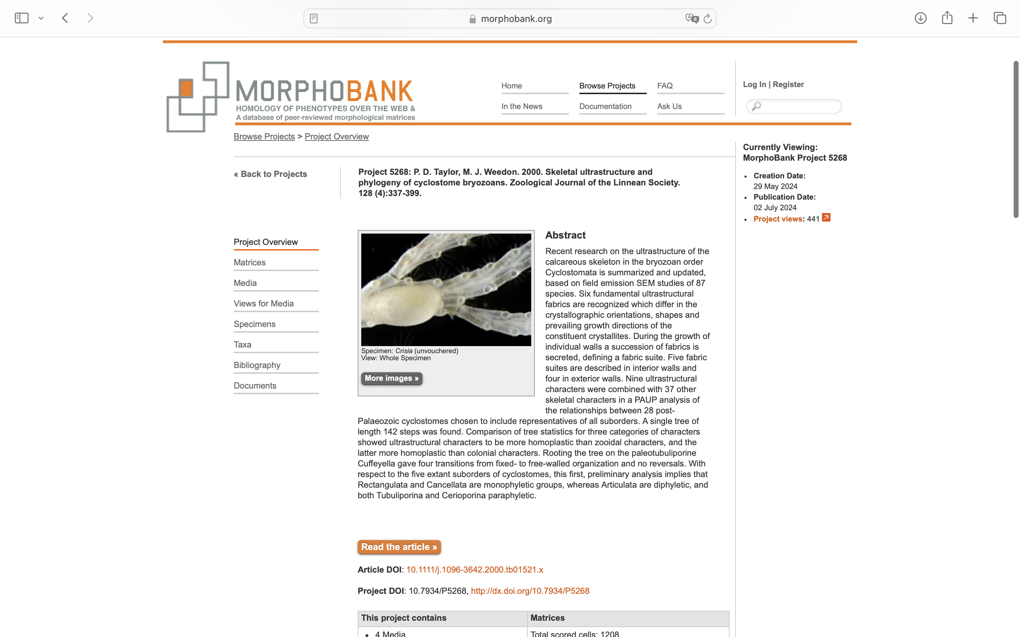
Charlabels | Character Pattern | Unseen States
[1] 'Colony type' | Transformational | YES
[2] 'Seriality of adnate parts of colony' | Transformational | YES
[3] 'Branching of adnate parts of colonies' | Neomorphic | NO
[4] 'Seriality of erect parts of colonies' | Transformational | NO
[5] 'Articulations' | Neomorphic | NO
[6] 'Autozooidal apertures in longitudinal rows' | Neomorphic | NO
[7] 'Autozooidal apertures in transverse rows' | Neomorphic | NO
[8] 'Distribution of autozooidal apertures on erect branches' | Transformational | YES
[9] 'Endozonal budding' | Neomorphic | NO
[10] 'Intersection angle of zooids with colony surface' | Transformational | YES
[11] 'Peristomial budding' | Neomorphic | NO
[12] 'Maculae' | Neomorphic | NO
[13] '‘Extrazooidal’ calciﬁcation' | Neomorphic | NO
[14] 'Autozooid skeletal organization' | Neomorphic | NO
[15] 'Autozooidal aperture diameter' | Transformational | NO
[16] 'Exterior-walled peristomes' | Neomorphic | NO
[17] 'Peristome length' | Transformational | YES
[18] 'Exterior-walled terminal diaphragms' | Neomorphic | NO
[19] 'Apertural spines' | Neomorphic | NO
[20] 'Opercula' | N;0=0;1=1;2=? | NO
[21] 'Gonozooids' | NT2;0=0-;1=11;2=12
[22] 'Gonozooid position on erect branches' | Transformational | YES
[23] 'Gonozooid skeletal organization' | Neomorphic | NO
[24] 'Gonozooid outline shape' | Transformational | YES
[25] 'Gonozooid roof integrity' | Transformational | NO
[26] 'Ooeciostome location' | Transformational | YES
[27] 'Ooeciopore diameter' | Transformational | NO
[28] 'Ooeciostome length' | Transformational | YES
[29] 'Atrial ring' | Neomorphic | NO
[30] 'Kenozooids interspersed between autozooids' | Neomorphic | NO
[31] 'Spinose kenozooids' | Neomorphic | NO
[32] 'Rhizoids' | Neomorphic | NO
[33] 'Primary nanozooids' | Neomorphic | NO
[34] 'Secondary nanozooids' | Neomorphic | NO
[35] 'Eleozooids' | Neomorphic | NO
[36] 'Ancestrula tube' | Transformational | YES
[37] 'Protoecium diameter' | Transformational | YES
[38] 'Mural spines and pustules' | Neomorphic | NO
[39] 'Long mural spines' | Neomorphic | NO
[40] 'Planar spherulitic fabric in frontal walls' | Neomorphic | NO
[41] 'Transverse ﬁbrous fabric' | Neomorphic | NO
[42] 'Granular fabric' | Neomorphic | NO
[43] 'Semi-nacre/pseudofoliated fabric' | Neomorphic | NO
[44] 'Spiked crystallites' | Neomorphic | NO
[45] 'Distally foliated fabric' | Neomorphic | NO
[46] 'Proximally foliated fabric' | Neomorphic | NO

